PERT-CPM-1

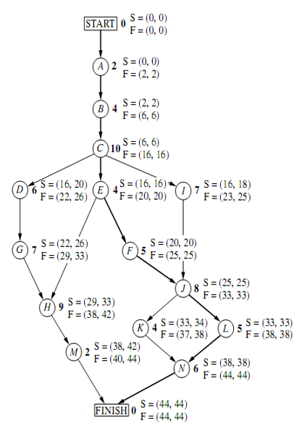
 | Time Estimates
Activity | O | M | P | PERT | VARIANCE | CP | PERT | 44
START | 0 | 0 | 0 | 0 | 0.0000 | * | VAR | 9
A | 1 | 2 | 3 | 2 | 0.1111 | * | DEADLINE | 47
B | 2 | 3.5 | 8 | 4 | 1.0000 | * | PROBABILITY | 0.84134474607
C | 6 | 9 | 18 | 10 | 4.0000 | * |  | 84.13%
D | 4 | 5.5 | 10 | 6 | 1.0000
E | 1 | 4.5 | 5 | 4 | 0.4444 | *
F | 4 | 4 | 10 | 5 | 1.0000 | *
G | 5 | 6.5 | 11 | 7 | 1.0000
H | 5 | 8 | 17 | 9 | 4.0000
I | 3 | 7.5 | 9 | 7 | 1.0000
J | 3 | 9 | 9 | 8 | 1.0000 | *
K | 4 | 4 | 4 | 4 | 0.0000
L | 1 | 5.5 | 7 | 5 | 1.0000 | *
M | 1 | 2 | 3 | 2 | 0.1111
N | 5 | 5.5 | 9 | 6 | 0.4444 | *
FINISH | 0 | 0 | 0 | 0 | 0.0000 | *

PERT-CPM-2
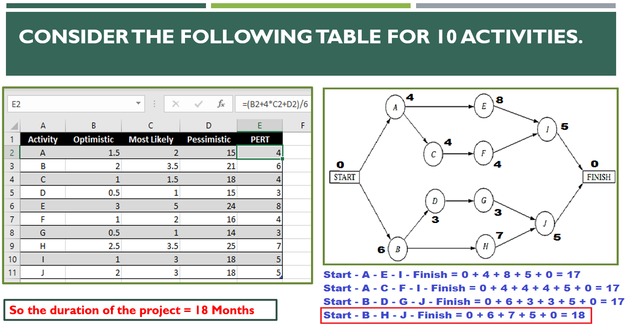

 | Estimated Durations
Activity | O | M | P | PERT | PERT-Copy | PERT_Round | PERT-Ceil | PERT-Floor | Variance
Start | 0 | 0 | 0 | 0.0000 | 0.0000 | 0 | 0 | 0 | 0.0000
A | 1.5 | 2 | 15 | 4.0833 | 4.0833 | 4 | 5 | 4 | 5.0625
B | 2 | 3.5 | 21 | 6.1667 | 6.1667 | 6 | 7 | 6 | 10.0278
C | 1 | 1.5 | 18 | 4.1667 | 4.1667 | 4 | 5 | 4 | 8.0278
D | 0.5 | 1 | 15 | 3.2500 | 3.2500 | 3 | 4 | 3 | 5.8403
E | 3 | 5 | 24 | 7.8333 | 7.8333 | 8 | 8 | 7 | 12.2500
F | 1 | 2 | 16 | 4.1667 | 4.1667 | 4 | 5 | 4 | 6.2500
G | 0.5 | 1 | 14 | 3.0833 | 3.0833 | 3 | 4 | 3 | 5.0625
H | 2.5 | 3.5 | 25 | 6.9167 | 6.9167 | 7 | 7 | 6 | 14.0625
I | 1 | 3 | 18 | 5.1667 | 5.1667 | 5 | 6 | 5 | 8.0278
J | 2 | 3 | 18 | 5.3333 | 5.3333 | 5 | 6 | 5 | 7.1111
Finish | 0 | 0 | 0 | 0.0000 | 0.0000 | 0 | 0 | 0 | 0.0000

Correlation & Regression-1
Students' Absent Count Vs. Exam Marks
 | Student | x | y | x*y | x^2 | y^2
 | A | 6 | 82 | 492 | 36 | 6724
 | B | 2 | 86 | 172 | 4 | 7396
 | C | 15 | 43 | 645 | 225 | 1849
 | D | 9 | 74 | 666 | 81 | 5476
 | E | 12 | 58 | 696 | 144 | 3364
 | F | 5 | 90 | 450 | 25 | 8100
 | G | 8 | 78 | 624 | 64 | 6084
 |  | 57 | 511 | 3745 | 579 | 38993

 | n = | 7
 | r = | -0.94421517069
 | r = | -0.94421517069
 | r = | -0.94421517069
Intercept | a = | 102.49253731 |  | x | y'
Slope | b = | -3.6218905473 |  | 11 | 62.651741294
Students' Absent Count Vs. Exam Marks
Intercept | a = | 102.49253731 |  | 7 | 77.139303483
Slope | b = | -3.6218905473 |  | 14 | 51.786069652
 | r^2 = | 0.89154228856

